Cover
Project Nam
***
Screen Flow Spec

Company Name

 | Version：1.0.0

 | Created Date：2019年06月21日 | Creator：フン・ティー・ハン
 | Updated Date：2019年07月10日 | Updated By：フン・ティー・ハン

Homepage
「Login」button
Do not show all menu again because can not use pre-login system function
■Homepage case 1: Before login
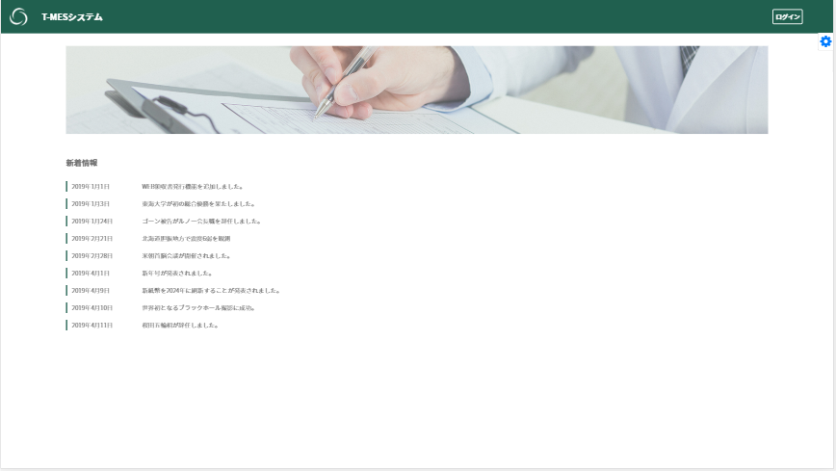
【WE-0011】Home (before login)
【WE-0011】Home（After login）

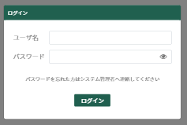
【WE-0010】Login/ Sign in

Authentication
success
Login

Authentication
failure

Display authentication
failure message

「Logout」button
■Homepage case 2: After login
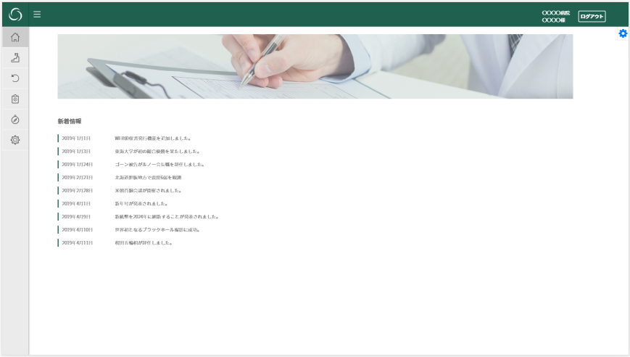
【WE-0011】Home (after login)

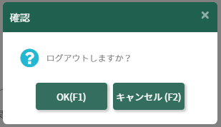

【WE-0011】Home (before login)

Progress screen
■Progress screen: Initial display

【WE-0011】Home (after login)
Not authorized
Display message of don't have access permission
初期表示：ユーザーが前回ログインする時最後に「どのモードを選択した」の情報をデータベースへ記録する。再ログインする時、その情報を取得して、該当なモードで進捗画面を表示する

Authorized
Choose display mode:
全画面表示
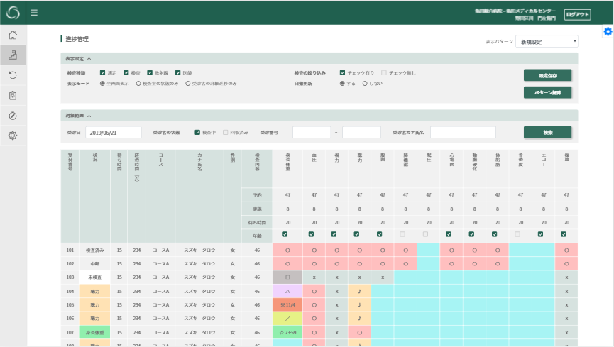
【WE-0040】全画面表示

Choose display mode:
受診者状況のみ表示
Choose display mode:
検査室状況のみ表示
Choose display mode:
全画面表示

Choose display mode:
検査室状況のみ表示

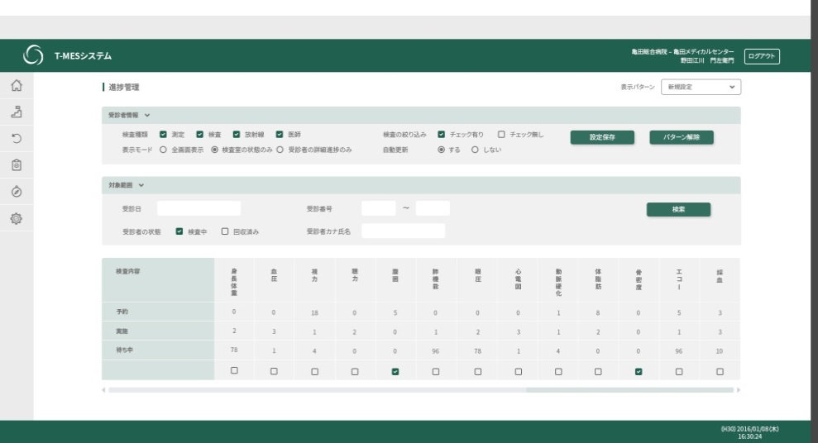
【WE-0040】Display only consulting room status

Choose display mode:
受診者状況のみ表示
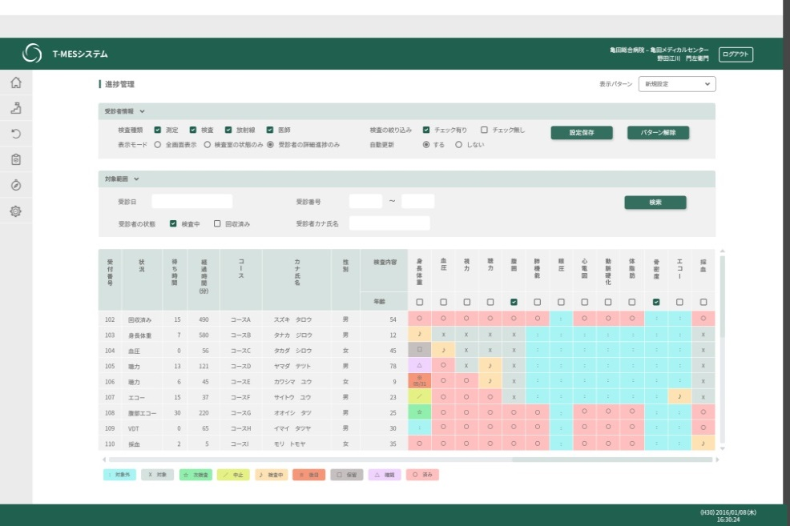
【WE-0040】Display only the status of the examinee

■Progress screen: Display pattern setting
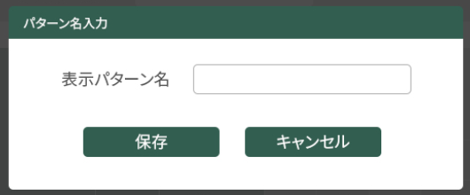
【WE-0050】Input 表示パターン名
【WE-0040】
New pattern
Do not input 表示パターン名
新規追加mode
Display error message

表示パターン名 was inputed
The input contents is invalid
Display error message
Not new pattern

更新 mode
The input contents is valid
Data storage failure
Display error message

Data storage success

■ Progress screen: Display pattern deletion

【WE-0040】

Default pattern
Display error message

Not a default pattern
Not stored in DB
Display message of unable to delete confirmation

Stored in DB
click OK
Failure
Display message of delete confirmation
Delete data in the database
Display error message

Success

Display by default pattern

■Progress screen: Automatic update

【WE-0040】

Azure server
Update directly display through socket connection

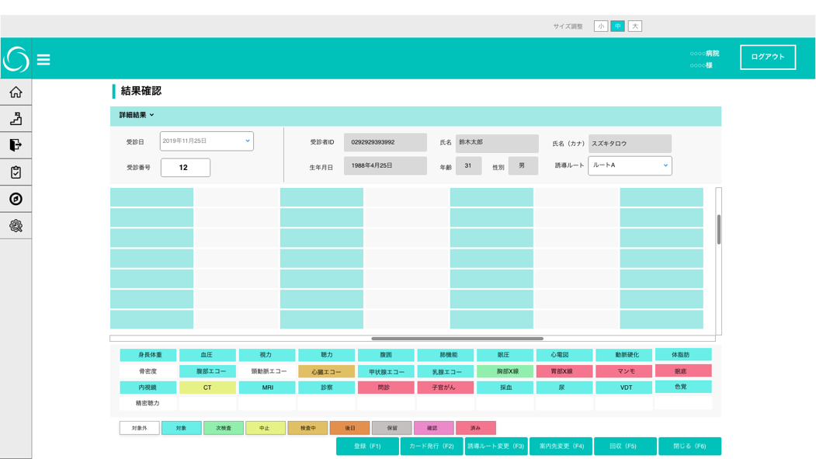
【WE-0043】Progress management Result confirmation
■Progress screen: Transition to examination result confirmation screen
【WE-0040】

Click on patient name

Exam result confirm screen
■Examination result confirmation screen: Initial display
【WE-0040】

【WE-0043】Progress management Result confirmation

Click on patient name

■Examination result confirmation screen: Data registration


【WE-0043】Progress management Result confirmation

Click Cancel
Unfilled items are exists

Confirmation message with unfilled items
Failure
Display error message

Click OK
Save data in database
Not have unfilled items
Success
Message of success registration
Registration button

■Examination result confirmation screen: Reissue card

【WE-0043】Progress management Result confirmation

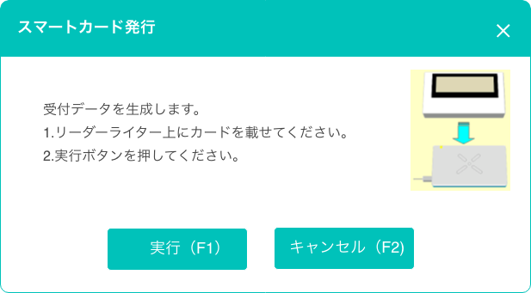
【WI-0010】Generate reception data Smart card issuance
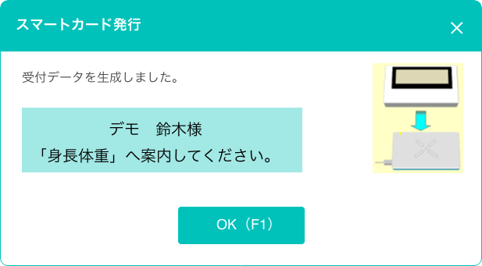
【WI-0011】Generate reception data Reception completed

Success

Card issuance
button

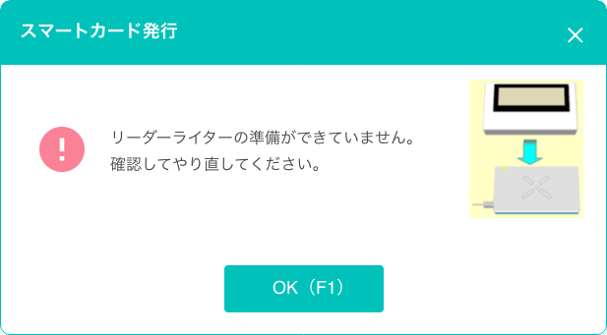
【WI-0012】Generate reception data Data generation failure

failure

■Examination result confirmation screen: Change guidance route

【WE-0043】Progress management Result confirmation

Click Cancel
Select a route and click "誘導ルート変更 " button

Change guidance route confirmation message
Failure
Display error message

Click OK
Change guidance route button
Save data in database
Success
Message of success registration

■Examination result confirmation screen: Change destination
【WE-0043】Progress management Result confirmation
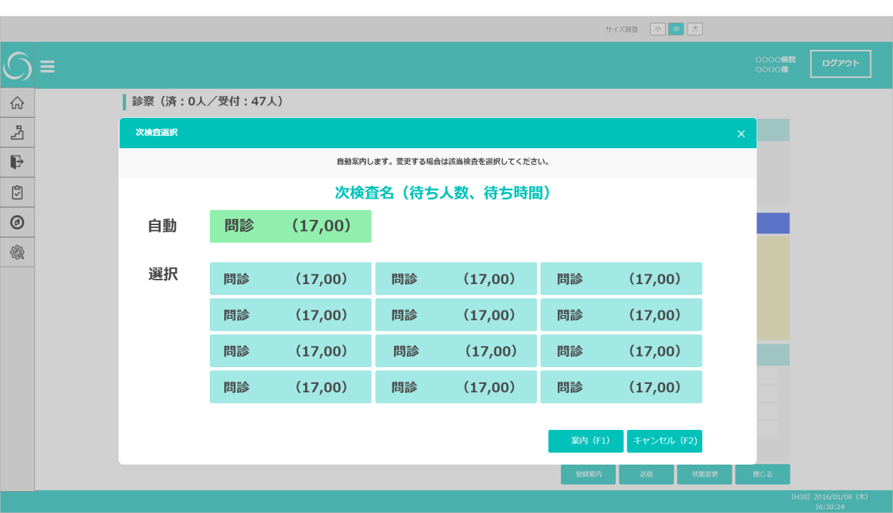
【WE-0103】Registration guidance Select destination

Change destination button

■Examinartion result confirmation screen: Transition to collection screen
【WE-0043】Progress management Result confirmation
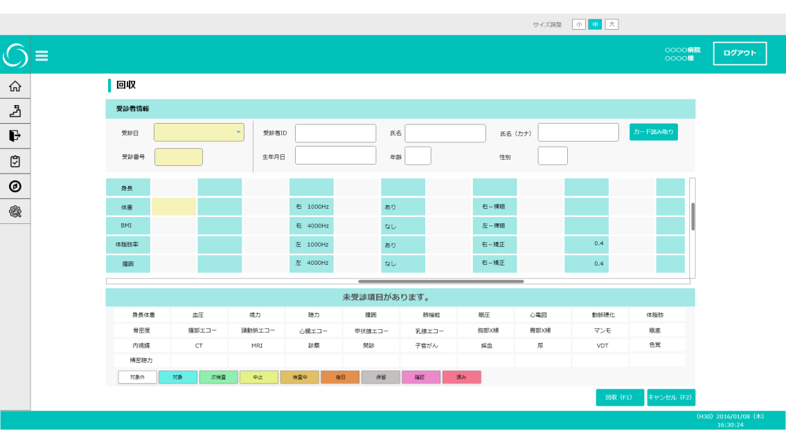
【WE-0020】Collection screen Initial

Collection button

■Examination result confirmation screen: Processing when canceling or closing the browser

【WE-0043】WE-0043】Progress management Result confirmation
Unfilled items are exists
Click Cancel
Confirmation message with unfilled items
Failure
Display error message
Edited the data
Data registration confirmation message
Click OK
Click OK
Save data in database
Not have unfilled items
Succes
Registration success message

Cancel button

Do not edit data
Click Cancel

【WE-0040】

Exam result input screen
■Examination result input screen: Initial display

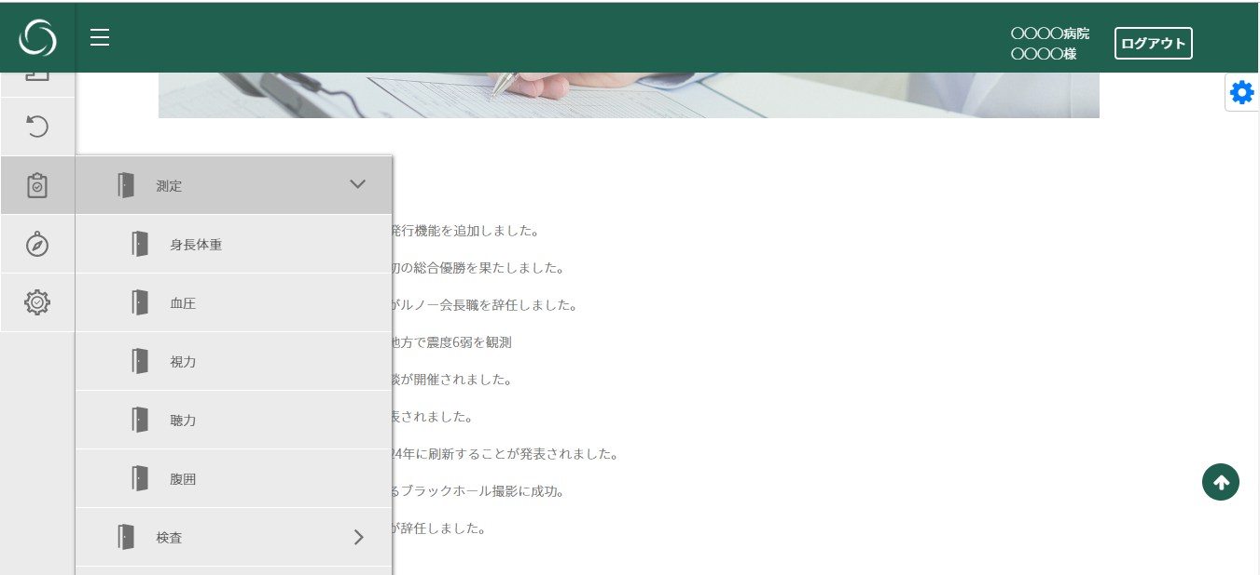
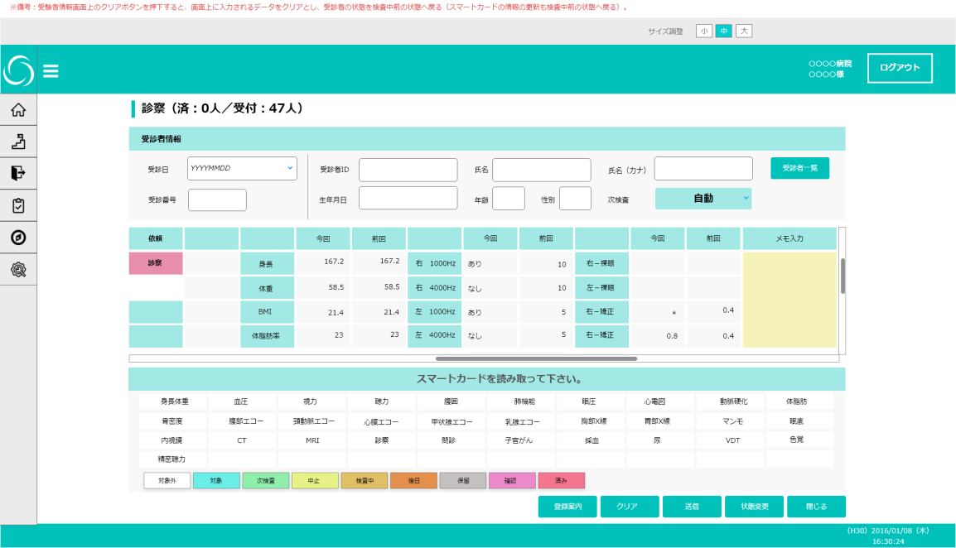
【WE-0101】Examination result input

Click on the examination menu

Get layout from DB
Failure
Display error message

Success

■Examination result input screen: Examinee list confirmation

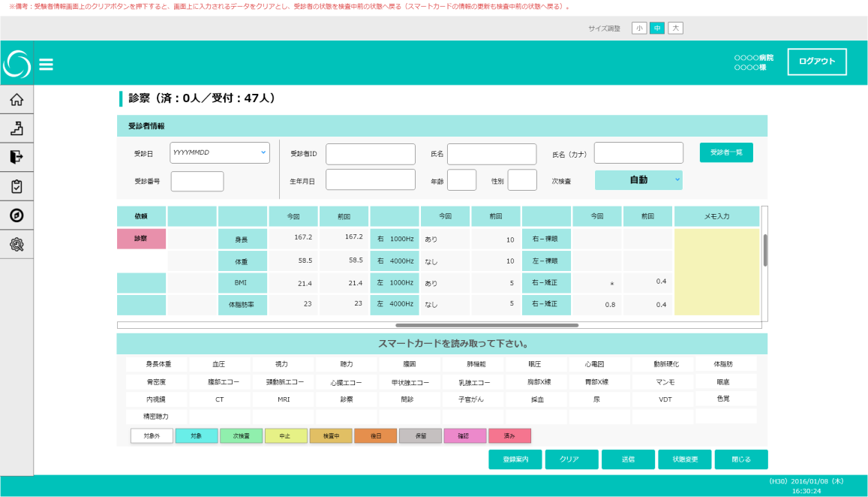
【WE-0101】Examination result input
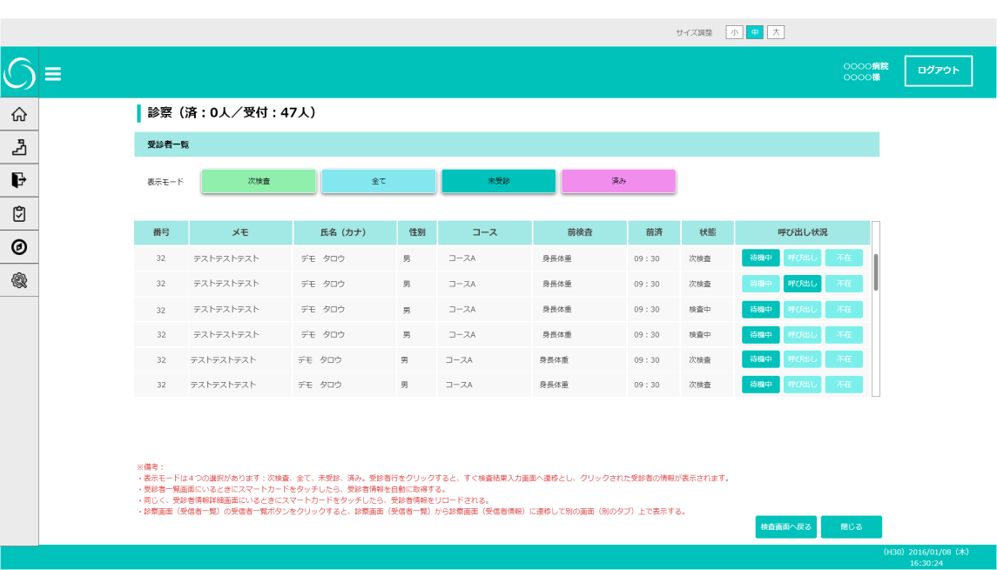
【WE-0100】Examinee list

Open in another tab

Close the corresponding tab

■Examination result input screen: Card reading

【WI-0014】Card reading error
【WE-0101】Examination result input

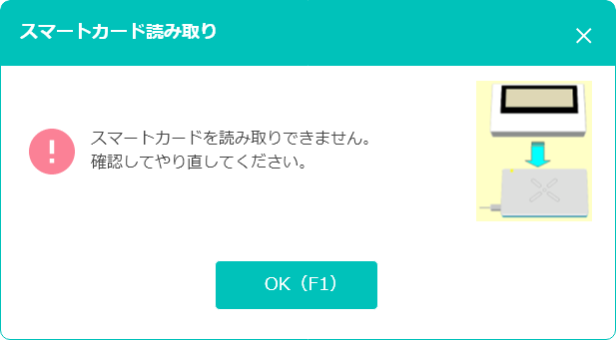

Card reading
Failure

Suceess

Able to get examinee information

Unable to get examinee information
Display error message

Display examinee information

■ Examination result input screen: Select destination

【WE-0103】Registration guidance Select destination
【WE-0101】Examination result input
Not have unfilled items
Success

Selected
「次検査：自動」
Unfilled items are exists
Confirmation message with unfilled items
OK
Update data in DB
Failure
Display error message
Cancel
Selected another exam in "次検査:"

■Examination result input screen: Clear screen

【WE-0101】Examination result input

Click button OK

Clear screen confirmation message
Clear screen

Click button cancel

■Examination result input screen: Change status

【WE-0101】Examination result input
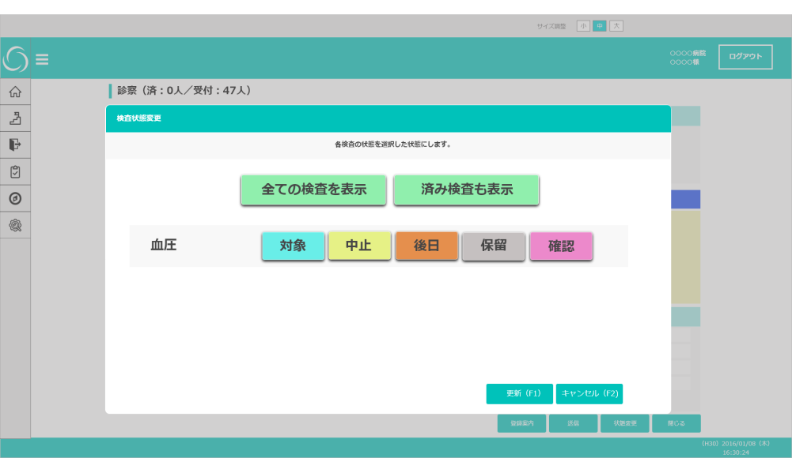
【WE-0112】Change status

Update data in database
Failure
Display error message

【WE-0103】Registration guidance Select destination

Success

■Examination result input screen: Close browser
【WE-0101】Examination result input

Close the corresponding tab

 | ←Remove close button function

